Tutorial
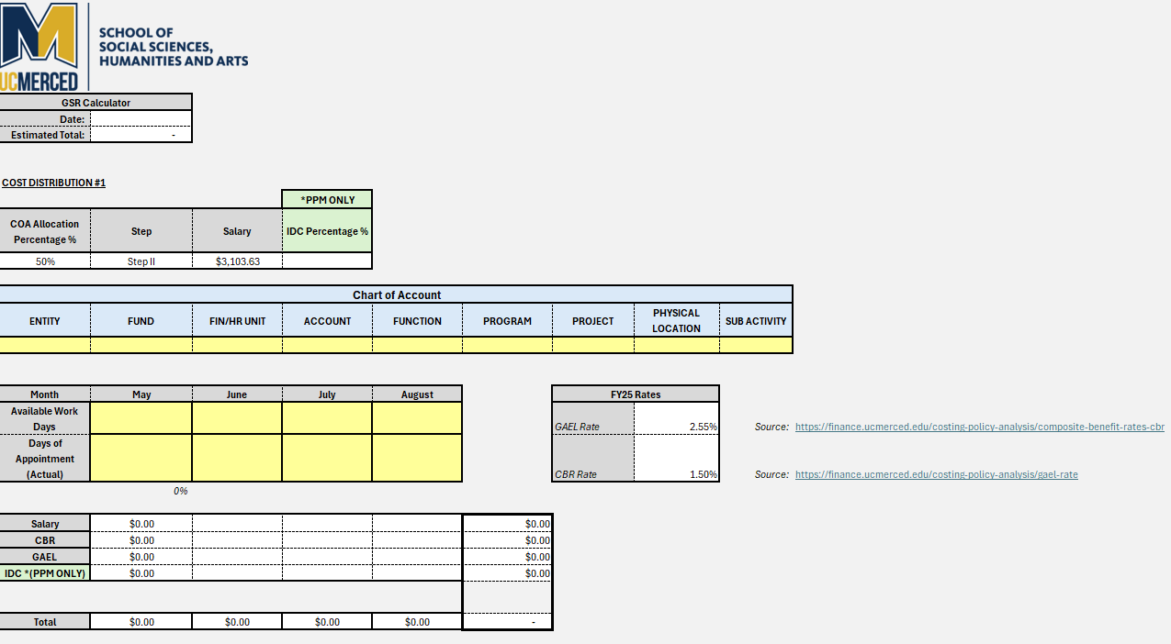
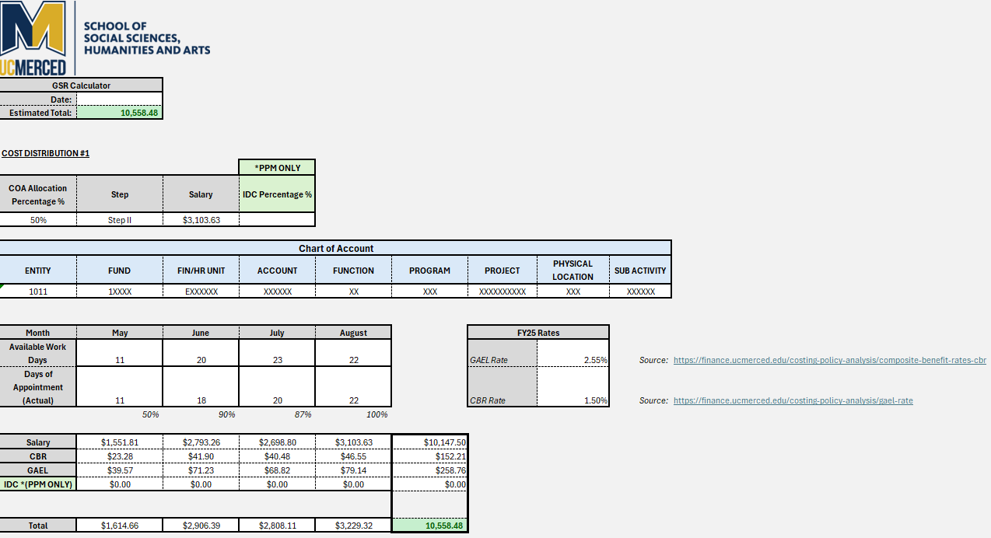

**Please fill in all Excel cells highlighted in yellow only | **Example of completed information to calculate estimated cost
Instructions:

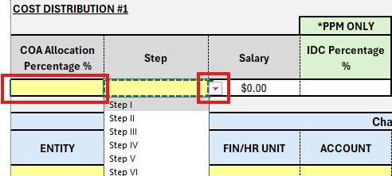

1) If the cost will have a split cost, please use percentage to estimate the salary for the COA. Example: 50% of the salary will be calculated for that specific COA.
2) Select the "Step" Level for the hiring rate. This information is also located in the "Reference" Tab of this worksheet. (See UCOP "TABLE 22 - STUDENT TITLES GRADUATE STUDENT RESEARCHER"

3) Enter all boxes in "yellow" highlight as this represents the information to enter the COA account.

**NOTE - There is a conditional rule if the project segments starts with "GFT, CNT" it will highlight in "Yellow" the IDC Percentage Box to fill in.
The IDC stands for "Indirect Cost" that is associated to grants and contracts only projects.
***Any other project value segments does not require to enter IDC Percentage. ExampleL: SUP,CHR,INC,INT,IST,IDC, RET,SSM,GFT, END,FEL,SPK,SEN,SUM,FRM

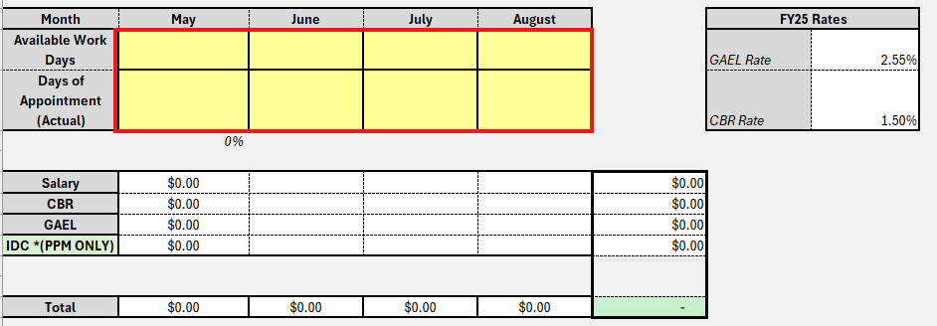

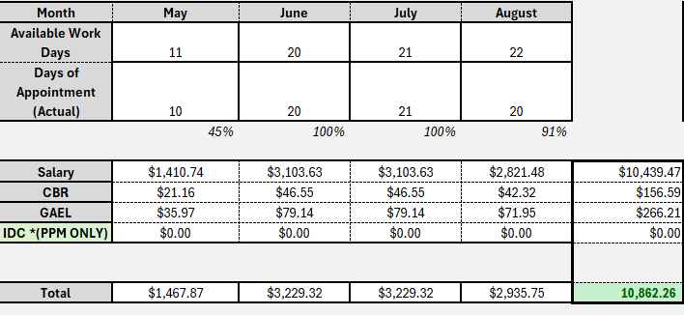

Calculations to get an estimate for each month for summer: MAY, JUNE, JULY, AUGUST
4) Enter the estimated dates of the appointment that were approved
5) Enter the "Actual" working days they are sheduled to work.

Reference
Before 10/1/2025 |  | After 10/1/2025
Step | Salary | Step | Salary
Step I | 5,760.75 | Step I | 5,991.25
Step II | 6,207.25 | Step II | 6,455.58
Step III | 6,688.33 | Step III | 6,955.58
Step IV | 7,206.75 | Step IV | 7,495.08
Step V | 7,765.33 | Step V | 8,076.00
Step VI | 8,367.17 | Step VI | 8,701.92

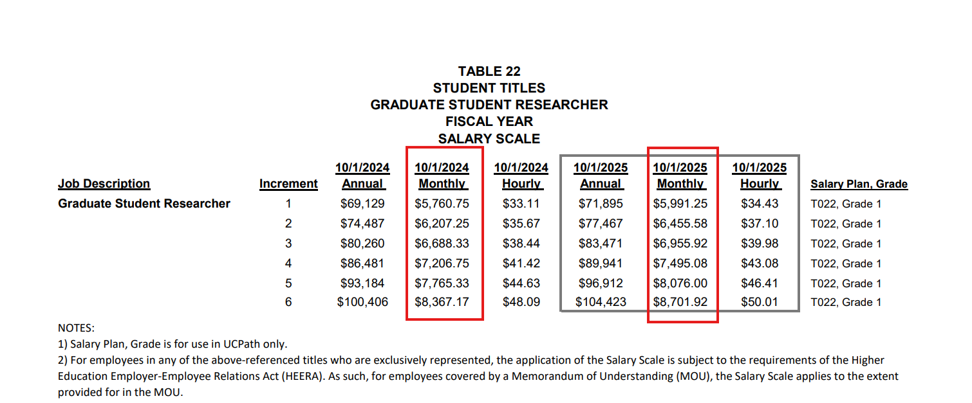

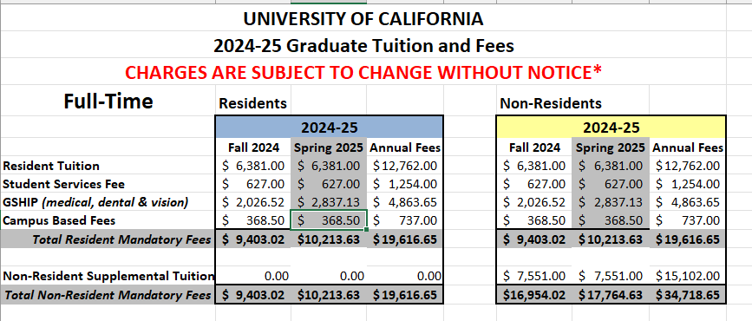

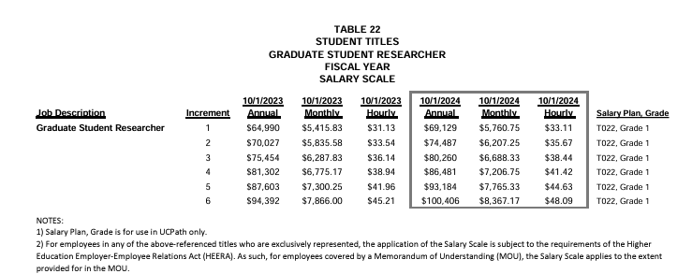

CHARGES ARE SUBJECT TO CHANGE WITHOUT NOTICE*
Full-Time | Residents |  |  | Non-Residents
 | 2025-26 |  |  | 2025-26
 | Fall 2025 | Spring 2026 | Annual Fees | Fall 2025 | Spring 2026 | Annual Fees
Resident Tuition | $6,570.00 | $6,570.00 | $13,140.00 | $6,570.00 | $6,570.00 | $13,140.00
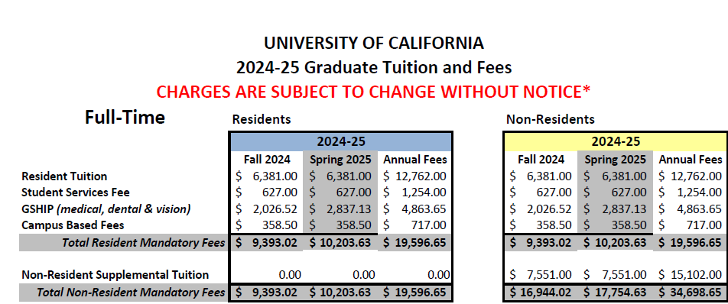
Student Services Fee | $645.00 | $645.00 | $1,290.00 | $645.00 | $645.00 | $1,290.00
GSHIP (medical, dental & vision) | $2,084.07 | $2,917.71 | $5,001.78 | $2,084.07 | $2,917.71 | $5,001.78
Campus Based Fees | $368.50 | $368.50 | $737.00 | $368.50 | $368.50 | $737.00
Total Resident Mandatory Fees | $9,667.57 | $10,501.21 | $20,168.78 | $9,667.57 | $10,501.21 | $20,168.78

Non-Resident Supplemental Tuition | 0.00 | 0.00 | 0.00 | $7,551.00 | $7,551.00 | $15,102.00
Total Non-Resident Mandatory Fees | $9,667.57 | $10,501.21 | $20,168.78 | $17,218.57 | $18,052.21 | $35,270.78

Part-Time | Residents |  |  | Non-Residents
 | 2025-26 |  |  | 2025-26
 | Fall 2025 | Spring 2026 | Annual Fees | Fall 2025 | Spring 2026 | Annual Fees
Resident Tuition | $3,285.00 | $3,285.00 | $6,570.00 | $3,285.00 | $3,285.00 | $6,570.00
Student Services Fee | $645.00 | $645.00 | $1,290.00 | $645.00 | $645.00 | $1,290.00
GSHIP (medical, dental & vision) | $2,084.07 | $2,917.71 | $5,001.78 | $2,084.07 | $2,917.71 | $5,001.78
Campus Based Fees | $368.50 | $368.50 | $737.00 | $368.50 | $368.50 | $737.00
Total Resident Mandatory Fees | $6,382.57 | $7,216.21 | $13,598.78 | $6,382.57 | $7,216.21 | $13,598.78

Non-Resident Supplemental Tuition | 0.00 | 0.00 | 0.00 | $3,775.50 | $3,775.50 | $7,551.00
Total Non-Resident Mandatory Fees | $6,382.57 | $7,216.21 | $13,598.78 | $10,158.07 | $10,991.71 | $21,149.78

Source: Office of the President, Budget Analysis and Planning, 12/10/2022
These figures may not be final; actual tuition, fees, and charges are subject to change by the Regents of the University of California or, as authorized, by the President of the University of California.
Accordingly, final approved levels and charges may differ from the amounts shown.

